Overview
Louisiana DECA
Career Development Conference
March 6-8 2022 - Baton Rouge Marriott Hotel
General Registration Information/Overview
To print ALL 12 pages of this document, click File/Print, then in under
Setting, select Entire Workbook, then click Print.
Destination: | Baton Rouge Marriott, 5500 Hilton Ave., Baton Rouge, LA 70808
TENTATIVE AGENDA
2022-03-06 | 1:30-2:30 p.m.—Registration/Manual Drop-Off
 | 1:30-3:00 p.m.--Teacher Hospitality Lafourche Room (2nd floor)
 | 2:00-2:30 p.m.—Advisor/Chaperone Meeting-Lafourche Room (2nd floor)
 | 2:30-3:15 p.m.--Student Dress Code Check (those competing on Sunday)
 | 4:00 p.m.--Hotel Rooms Available by this time (if not before)
 | 3:00-6:30 p.m.--Sunday Events Judging (students must be in Business Attire & go through Dress Check)
 | 7:00 p.m.--Dinner followed by Opening Session (Business Casual)
 | 11:00 p.m.--Curfew (in room--hungry, thirsty not a reason to be out)

2022-03-07 | Breakfast on your own
 | 8:00 a.m.--Teachers/Chaperones meet in assigned rooms for competitive events duty
 | 9:00 a.m.--Competition begins for Monday events
 | Noon--lunch (pizza)
 | 12:45 p.m.--La. DECA Scholarship Applicant interviews begin (see appointment times)
 | 1:30 p.m.--State Officer Voting (all voting delegates must attend)
 | 6:00 p.m.--Dinner followed by Awards Session (Business Attire, semi-formal or formal wear)
 | After Awards Session there is a Lip Sync Contest by chapter members
 | 11:30 p.m.—Curfew

2022-02-08 | 9:00 a.m.—Breakfast followed by Closing Session, MDA donations (Casual Wear)
 | 10:45 a.m.--New Officers & Outgoing Officers Meeting

REMIND: | Please share with your bookkeeper or accountant at school the change in mailing address for La. DECA.
 | Louisiana DECA, 26236 Wax Rd., Denham Springs, LA 70726

LODGING
Room descriptions and costs are explained on Pricing tab below. Advisor MUST order & pay for their rooms
on their own using the forms in this packet. Advisors will also mail hotel a tax exempt lodging form & check.

REGISTRATION DATES
Pricing includes registration, dinner on Sunday, pizza lunch, and dinner on Monday, breakfast on Tuesday,
T-shirt, prizes, awards, food taxes & gratuities. Rooms MUST be reserved by chapter advisors.
Jan. 4-31 | Register your chapter members online at |  | https://www.decaregistration.com/la
 | In registration, you will need to know each student's event(s), grade level, and t-shirt size, plus any special meal restrictions.
Jan. 31 | Final date to register for conference without a late fee. Any changes after this date must be put in an email and sent to state advisor. There is a $10 per change fee which must be paid no later than the date of the conference opening. Email changes to paul.grethel@gmail.com.
Feb. 3-9 | Advisor must schedule their student's testing on one or more of these dates. A proctor must give the exam---not the advisor.
Feb. 4 | Payment for registration and other forms must be postmarked/mail to State Advisor. After this date, a late fee of $50 is imposed.
Feb. 9 | Advisor MUST make room reservation with BR Marriott by this date. Schools within 15 miles of the hotel can choose not to stay at the hotel; all others must stay at BR Marriott Hotel. Send in a copy of your hotel reservation showing all rooms and those staying to the DECA State Advisor. No other hotels can be used. Reservations keep our meeting space rental lower. There are no registration cancellations allowed after this date.

La. DECA Tax I.D./EIN # is 72-6025338
Baton Rouge Marriott Tax I.D./EIN # is 61-1374320

MEALS PROVIDED WITH REGISTRATION
Sunday Dinner
Monday Lunch and Dinner
Tuesday Breakfast

PHOTO ID
Every student in a competitive event MUST have a photo ID to present at their presentations/role-plays. School ID, Driver’s License or Passport or a school yearbook with the student identified are all acceptable.

CALCULATORS
Students may use calculators on online tests and in presentation/role-plays at the conference; however, these cannot be of the type that store information or can communicate. Regular calculators and scientific calculators are allowed. Cell phone calculators are not allowed.

WRITTEN EVENTS
All students in a written event MUST turn the project in a DECA folio and another stapled copy on Sunday at registration. Stapled copies will not be returned and will be kept on file. If you need to purchase a folio, email Paul Grethel. Each folio costs $3.00. You can order a folio when you do your registration

ADVISORS/CHAPERONES
For every 10 student delegates attending the CDC, there must be one advisor or chaperone. The adult chaperone must register for the conference, pay the registration fee, and attend all activities designated by the chapter advisor or state advisor. A person listed as a spouse is not considered a chaperone and does not cover an additional 10 student delegates unless the full fee is paid.

CHAPTERS IN ARREARS:
If a chapter is in arrears, meaning that money is owed to Louisiana DECA from either the La. DECA Fall Competitive Excellence Conference, the La. DECA Pelicans Sports Marketing Conference, or any other purchase, the chapter will not be able to complete registration until all funds are paid in full. This also means that state and national dues must be paid in full in order to attend the state conference. Chapters in arrears by May 1 each year will be put on a financial block the following school year which means they cannot participate in DECA until payment is made.

 | TABS BELOW-Click a Tab below to get to different forms
 | Overview-general description of event, tentative agenda, due dates
 | MERA Grant-what we expect if you are paying registration costs with MERA Conference Grant
 | Sales Tax Exemption-fill out to obtain no sales taxes on your Lodging; taxes are charged on food
 | Pricing-find the cost per person along with cost for registration and cost for lodging
 | Hotel-Lodging-use this form to set up your rooms then email or mail to Baton Rouge Marriott (email and mailing address is on this form). You are responsible for making your own hotel reservations and paying for the rooms prior to arrival. Only schools within 15 miles of the hotel can choose NOT to stay at the hotel. Email a copy of this form to the DECA State Advisor as evidence of your reservation. If you are within 15 miles and not staying at the hotel, email me a statement so I know. Because of our members' room reservations at the hotel, everyone benefits in the cost of the meeting space rental prices. You cannot stay at another hotel and attend our CDC.
 | Promissory Note-use this form to protect your chapter funds. Have each student who plans to attend get this signed. If a student is 18 years old, they can legally sign; if not, then their parent/guardian should sign. This will protect your funds if the student does not attend for no legitimate reason.
 | Medical Release-print and give to students; collect and hold while at conference
 | Dress Code-Review the Business Attire checklist provided in this packet so that students know what they are expected to dress in. Business Attire is required for all competitive events. Students will go through a Dress Code committee check on Sunday (if competing) and on Monday morning. A bracelet or hand stamp will be given during Dress Code check if the student is appropriately dressed. Bracelets (or hand stamps) will be a different color or design on each day.
 | Code of Conduct—print and give to students to get signed; keep with you at conference
 | Agreement—advisor & principal must agree and sign; email to Paul Grethel at
 | paul.grethel@gmail.com | by February 4.
 | Online Testing-The 100 question test portion will be done online at your school and will take place between Feb. 3-9. You select the date you want your students to test. Most schools with a computer lab can test all student in one day. DO NOT WAIT until the last day to test as this should be for those absent. You MUST designate a proctor to give the exam, and you cannot be in the testing room. You will receive more information on this. In the meantime, try to find a proctor who is a school teacher, counselor or administrator who can proctor your exams and get their contact in-formation including an email address. Students in 2 different competitions might only need to take 1 test (depends on their events) or take 2 tests. If they take 2 tests, they can be taken the same day or on different days.
 | Registration-Lodging Form-return via email to Paul.Grethel@gmail.com by Jan. 31.
 | and mail a check payable to La. DECA for each person's lodging fee.
 | Lyp-Sync Registration Form-for students who want to participate for cash prizes
 | Dress Code-review this with your students
 | By Jan. 31, email to paul.grethel@gmail.com the following: Agreement, Online Testing Proctor Info, and a copy of your Hotel Reservation form. Be sure you complete your online Registration by Jan. 31. Postmark and mail your registration check by Feb. 4. It should be payable to Louisiana DECA, 26236 Wax Rd., Denham Springs, LA 70726.

PromissoryNote
PROMISSORY NOTE

I, ____________________________________, agree to pay the DECA Chapter of ___________________ High School the amount of $__________ by ___________ (due date), for monies paid for _____________________ (student’s name) by the school’s DECA Chapter. These funds are being paid to Louisiana DECA for the Career Development Conference.
We suggest you use this form with your students to protect your chapter's funds. If a student is 18, then they can legally sign. If they are not, have the parent and student sign. This is a legally binding agreement.
I understand that $______ in grant funds were used to pay part of this conference. I agree to reimburse the chapter for these funds if ________________ (student’s name) misses the conferences.

I understand that there is no interest charged to borrow this money as long as I pay it back by the due date; however, a five percent (5%) compound interest penalty will be imposed for each 1-30 days I am late with this payment after the date above.

My signature, along with my parent’s signature (if I am a minor) signify that I will pay this amount on or before the due date.

fgfgfgfgfgfgfgfgfgfgf

DECA Student Signature________________________ Date_________

Parent’s Signature_____________________________ Date_________
(if student is under 18 years old)

Teacher’s Signature____________________________ Date_________

Parents—keep a copy of this for your records.
Teachers--keep a copy of this for your records. Do not sent it in.

LipSync
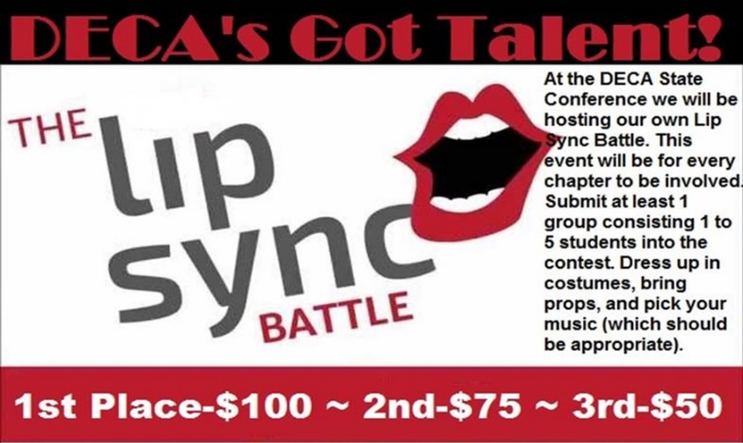

Are You Worthy Enough to Win DECA’S GOT TALENT?

RULES
1 | Each group must consist of between one to five DECA members who are registered at the CDC.
2 | Groups must bring their own music for the competition. All lyrics must be teenage appropriate (PG) and
have been approved by the advisor.
3 | Group competing must email their school name, the name of the song to be performed, and the team members’ names
4 | Groups are allowed to dress up in costumes for their competition. Costumes cannot be riskee or inappropriate.

JUDGING
Your state officer team will be judging and choose the top final performances. The attending crowd will then pick the top three winners.

PRIZES
1st place team will win $100 to split equally
2nd place team will win $75 to split equally
3rd place team will win $50 to split equally
REGISTRATION FORM (email to paul.grethel@gmail.com or turn in to La. DECA)
School Name

Name of song to be performed

Team Member Names |  | 1
 |  | 2
 |  | 3
 |  | 4
 |  | 5
 |  | 6
 |  | 7
 |  | 8

Hotel w-9
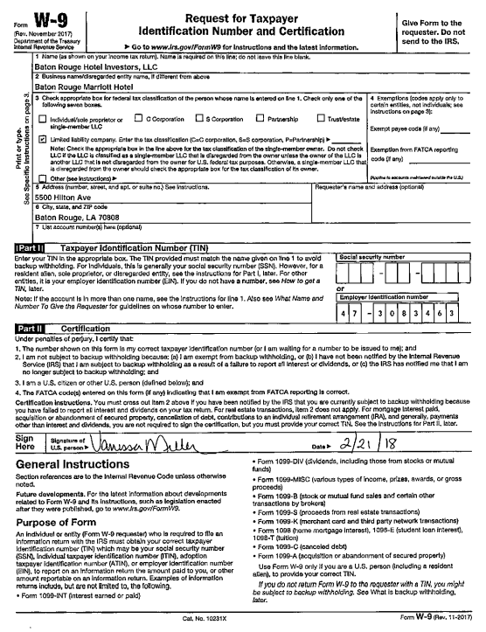

Give this form to your school bookkeeper
in order to pay the hotel for the lodging.

Dress Code
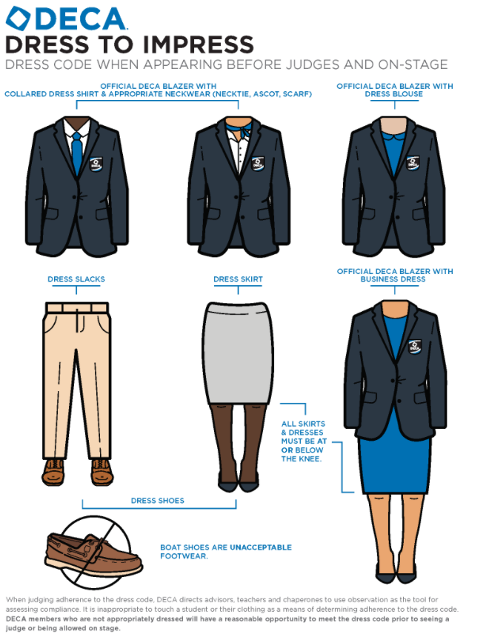
DECA PROFESSIONAL BUSINESS ATTIRE CHECKLIST

For all competitive events at the CDC, you must follow the rules below. A judge may deduct points from your score if they think your attire is not professional. A blazer or suit or a dress must be worn.

The word “appropriate” used below refers to that which is appropriate to a business setting. Sometimes your Sunday best may not be considered Business Attire…be careful. Do not wear heavy laced items, prints, leopard styles and the like. Solid colors are best.

PROFESSIONAL BUSINESS ATTIRE CHECKLIST — FEMALES
In professional environments, do not use fabrics of leather, fleece, denim, crepe, satin, and velvet (to name a few). Do not wear any item that is bedazzled. Use this checklist as a guideline for CDC competition.
1. Blouse—color; is color appropriate; neat; if shirt-tailed it must be tucked in; a sweater top is too casual; must be short sleeve or long sleeve--no sleeveless or half sleeve unless kept under a blazer all day. If a dress shirt is used, the student must wear neckwear.
2. Skirt—no long slits; appropriate color; length should be not more than 3 inches above knee; neat and tucked.
3. Pants—color; style; neat; no jeans or jean-like pants, no slits, no hip-huggers
4. Pants Suit—color; style; neat
5. Dress—color and style is appropriate; no long slits; should be at to the top of the knee or below; avoid loud and wild patterns and low cut necklines. If it is sleeveless or a cap sleeve, it must be worn with a blazer.
6. Pantyhose—if worn, pantyhose should be appropriate color; nude stocking are fine; if colored, they should match pants/skirt in color; no visible runs
7. Shoes—clean; match outfit; suede shoes; dressy boots (not cowgirl boot); shoes must have a heel; it can be a slight ½” heel up to 3”; no platform shoes; no backless shoes; no fad-style shoes; no sandal-like shoe; no half-boot shoe; an open-toe shoe with a small opening (peep-toe) is now acceptable. If we can see more than part of your toe, don’t wear it. No strappy type or shoes are allowed.
8. Jewelry—one earring per ear; 1-2 rings per hand; big earrings are not appropriate; if multi-bracelets are worn, wear only a few
9. Hair—appropriate color/style for business; combed; no fad hairstyles
10. Make-up—should be light and appropriate for a business atmosphere
11. Nails—not too long; appropriate color if used; clean; manicured; no party designed nails
12. Semi-finished look—vest; a sweater is a casual look
13. Finished Look—DECA Blazer, your own blazer (color; style; neat; an outerwear jacket is not a blazer); suit must be worn. If a female wears business-style dress, that student does not need a blazer.

PROFESSIONAL BUSINESS ATTIRE CHECKLIST — MALES
In professional environments, do not use fabrics of leather, fleece, denim, crepe, satin, and velvet (to name a few). Use this checklist as a guideline for CDC competition.
1. Shirt—collared; neat and tucked in; no mandarin/Nehru collars, must have undershirt
2. Tie—appropriate pattern, color, length to top of belt; a bow tie is appropriate if it is a business type
3. Jewelry—not too much; no earring in ears; 1 ring per hand
4. Belt—matches pants or coordinates with pants
5. Pants—dress pants; neat; style; length
6. Socks—match color of shoes or pants; never wear white; if you must wear white due to a foot problem, cover them with dark socks
7. Shoes—dressy shoes that can be shined or dressy boots (not cowboy boots)
8. Hair—appropriate style/color; combed; neat; no fad hairstyles
9. Nails—short; clean; manicured
10. Finished Look—DECA Blazer, Sports Coat or Suit Jacket (color; style; neat; an outerwear jacket is not a blazer) must be worn.

